Attribution and License
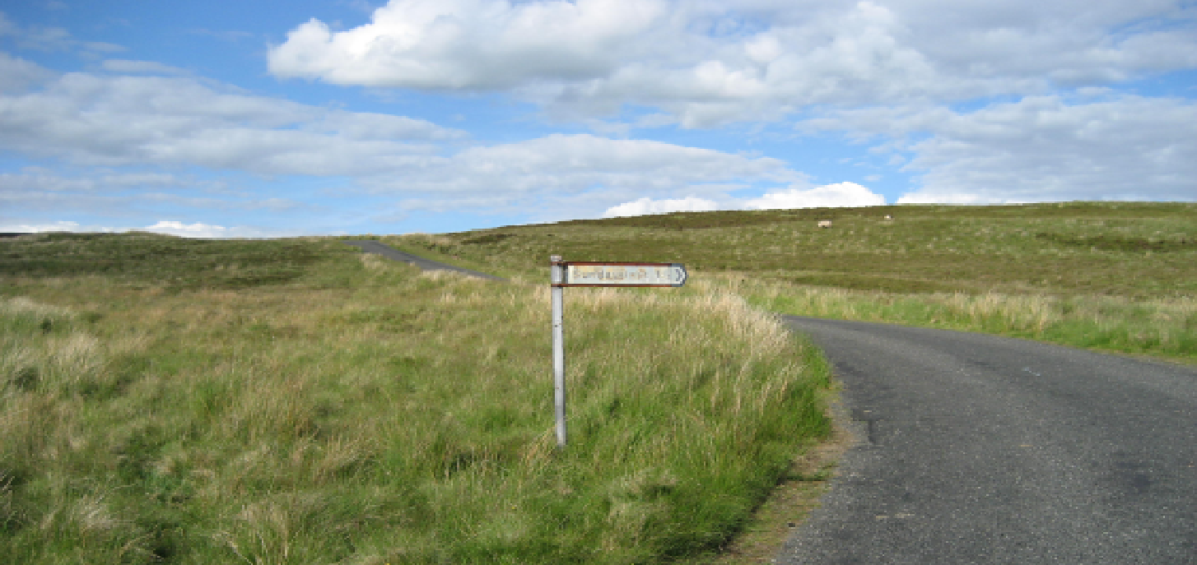
Software Assurance Maturity Model (SAMM)

Version: | 2.0

Description: | One aim of the Software Assurance Maturity Model (SAMM) is to help organizations build software security assurance programs. The current position and future targets can be charted and the SAMM document includes roadmap templates for different industries. This spreadsheet helps produce roadmaps once the plan is known. It is structured with four phases of improvement, like in SAMM, although could be altered to suit any number of stages.
Element: | Roadmap Chart Template v2.0
Author: | Colin Watson
Contributors: | Aidan Lynch, Nikolay Srebniuk

Element: | Interview Template v1.0
Author(s): | Nick Coblentz, Eoin Keary, and Seba Deleersnyder
Contributors:

Element: | Toolbox for v2.0
Authors: | Brian Glas

License: | Creative Commons Attribution-ShareAlike 3.0 License
 | This work is licensed under the Creative Commons Attribution-Share Alike 3.0 License. To view a copy of this license, visit http://creativecommons.org/licenses/by-sa/3.0/legalcode; or, (b) send a letter to Creative Commons, 171 2nd Street, Suite 300, San Francisco, California, 94105, USA.

SAMM | The Software Assurance Maturity Model (SAMM) was created by Pravir Chandra and is now an Open Web Application Security Project (OWASP) project.
 | SAMM is licensed under the Creative Commons Attribution-Share Alike 3.0 License
 | https://www.owasp.org/index.php/OWASP_SAMM_Project

